ReadMe
How to use this file:
1 | The objective of this file is to provide comprehensive and detailed product features of newly discovered products.
2 | Any new product should be added next to the existing columns (Note: Do not remove any existing filled up product info. )
3 | Column B contains the common fields for each product type. However, it is amendable.
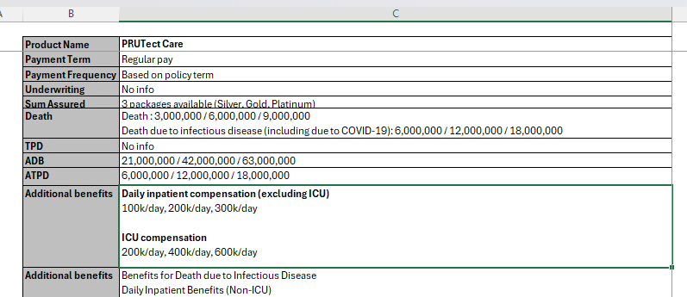

4 | A new row can be added if the new field is expected to be used in other products of the same product type.
5 | A new row is not required if the benefit pertains to this specific product only. In this case, the information can be placed under "Additional Benefits".

Common Fields:
No | Field | Explanation | Expected Input
1 | Product Name | Name of the product | Any
2 | Conventional/Takaful | Conventional - a product is offered by a conventional company and does not comply with Shariah law. Takaful - a product is offered by a takaful operator and comply with Shariah law. | Conventiona/Takaful
3 | General/Life | General - a product offered by general insurance company. Life - a product offered by life insurance company. | General/Life Note: Visit https://www.bnm.gov.my/regulations/fsp-directory to see if company is general insurance/ general takaful/ family takaful/ life insurance company
4 | Insurance Company | Name of the company | Any
5 | Channel | Through which channel is this product distributed? Online - client able to buy this product via online or app. Agency - client only able to buy this product via agency channel. Banca - client only able to buy this product via bank channel. Non-online - choose this category if unable to determine whether it is from agency or banca and client not able to buy this product via online. | Online/Agency/Banca/Non-online Note: For Banca, please include the name of the bank. Example, Banca - CIMB.
6 | Chassis | Underlying structure or framework of the insurance product. If the product is a basic plan: ILP - Investment-linked product UL - Universal life product Par - Traditional participating product Non-par - Traditional non-participating product Hybrid - Mixed of ILP with traditional (i.e, participating or non-participating) product Family Takaful with participant account - there is a participant account keeping the contribution, subsequently, tabarru' is dripping from the participant account. Family Takaful without participant account - there is no participant account keeping the contribution. If the product is a rider: Premium-paying rider (PPR) - there is a prescribed premium pertaining to this rider. It is clearly stated in the Sales Illustration and contract. Unit-deducting rider (UDR) - there is no prescribed premium pertaining to this rider. The cost of the rider is paid by deducting units from the policyholder's investment fund. | ILP/Par/Non-Par/Hybrid/PPR/UDR/Family Takaful with participant account/Family Takaful without participant account
7 | Age Basis | Next birthday - Age at the upcoming birthday Last birthday - Age at the most recent birthday Attained age - The current age of the insured person during the policy | Next birthday/Last birthday/Attained age
8 | Entry Age (years) | Age of the insured person when they first purchase the policy | Any
9 | Premium | The amount of money that an individual or business must pay for an insurance policy. | Any
10 | Policy Term | Duration for which an insurance policy is in effect. It is the period during which the insurance coverage is active and the insurer is obligated to provide coverage as per the terms of the policy. Could be: X years Up to age XX. | X years/Up to age XX.
11 | Payment Term | Duration over which the policyholder is required to make premium payments for an insurance policy. Could be: Full pay - Pay when the policy is in force. X years (limited pay) | Note: if don't explicitly mention limited pay, usually can expect the product to be full pay
12 | Underwriting | GIO - Guaranteed issuance offer (a.k.a. guaranteed acceptance) SIO - Simplified issuance offer (few underwriting questions and does not require medical examination). Full UW - Many underwriting questions, involving detailed assessment and medical examination (if require). | GIO/SIO/Full UW
13 | Sum Assured | Coverage amount or the face value of the policy. Could be: 100% of total premium paid RM25k - subject to underwriting Note: Subject to underwriting means there is no upper limit. Solely based on the company's decision. | Any
14 | Policy Fee per month | This is applicable to ILP and universal product. Any fixed amount of fee that is charged on a monthly basis should be the policy fee of the product. Note: There is no standardized name used in the industry. Some companies use administration fee, administration charge, etc. | Any
15 | Fund Allocation | This is applicable to ILP and hybrid product. MAR prescribed by BNM: Y1 - Y3: 60% Y4 - Y6: 80% Y7 - Y10: 95% Y11 onwards: 100% | Any but the format should be similar to below. Example Y1 - Y3: 60% Y4 - Y6: 80% Y7 - Y10: 95% Y11 onwards: 100%
16 | Death | Amount of money paid by the company upon the death of the life assured. Could be SA - sum assured Max (SA, AV) - higher of sum assured or account value Max (SA, AV1) + AV2 - (higher of sum assured or account value 1) PLUS account value 2 | SA/Max (SA,AV)/Any other inputs
17 | TPD | Amount of money paid by the company upon the TPD of the life assured. Could be SA - sum assured Max (SA, AV) - higher of sum assured or account value Max (SA, AV1) + AV2 - (higher of sum assured or account value 1) PLUS account value 2 | SA/Max (SA,AV)/Any other inputs
18 | ADB | Amount of money paid by the company upon the accidental death of the life assured. Could be Additional 100% of SA - additional 100% of sum assured is payable on top of the death beneit. Max (2 X SA, AV) - higher of 200% of sum assured or account value | Additional 1x of SA/Max (2xSA, AV)/Any other inputs
19 | ATPD | Amount of money paid by the company upon the accidental TPD of the life assured. Could be Additional 100% of SA - additional 100% of sum assured is payable on top of the TPD beneit. Max (2xSA, AV) - higher of 200% of sum assured or account value | Additional 1x of SA/Max (2xSA, AV)/Any other inputs
20 | Maturity | Amount paid to the policyholder when a life insurance policy reaches the end of its term, provided the life assured is still alive. Could be 100% of total premium paid (TPP) 100% of SA | 1x of TPP/1x of SA/Any other inputs
21 | Additional Benefits | Additional Benefits are features or coverages included in an insurance policy that provide extra protection or value beyond the basic coverage. These benefits are automatically included when a policyholder purchases the product and are unique to the specific insurance plan. Example Guaranteed post-cancer cover option (CI tab, Complete Cancer Care) Note: If the benefit is unique to a product and rarely found in any other products, we should categorize it as Additional Benefits. | Any
22 | Optional Benefits | Optional Benefits are additional coverages or features that policyholders can choose to add to their insurance policy. These benefits are not included in the standard policy by default but are available for an extra premium/COI. Policyholders can opt in to these benefits based on their individual needs and preferences, allowing for greater customization of their insurance coverage. Example Riders | Any Note: Input for rider, do not need to put in the name of the rider. Should put in the rider category. Example: WOP rider, Accelerated CI rider, Additional CI rider, Medical rider, Term Life rider, Term TPD rider, Disability Income rider, etc.

Product Category:
No | Product Category | Explanation
1 | Life Protection | Life protection insurance provides a financial safety net for the policyholder's beneficiaries in the event of the policyholder's death during the policy term. If a product does not prominently feature savings, investment, CI (Critical Illness), or medical benefits, and the sum assured does not qualify as high protection, it should be categorized under life protection.
2 | High Protection | A product starts with RM200k sum assured and above.
3 | Investment | A product targeting clients with investment appetite and can accept higher risk for higher returns. The product should give policyholders the flexibility to choose the investment fund (e.g, equity fund, bond fund, balanced fund, etc.)
4 | Savings | Savings insurance plans are designed to help policyholders save for future financial goals while providing a death benefit. Policyholders do not have the decide how the money is invested. Typically, some of the returns are guaranteed if the policy remains in force throughout the policy term.
5 | CI | Critical illness insurance provides a lump-sum payment upon diagnosis of a covered critical illness, such as cancer, heart attack, or stroke.
6 | Medical | Medical insurance covers the cost of medical and surgical expenses incurred by the insured due to illness or injury.

Life Protection
Product Name | TokioMarine-iLifeGuard | ProtectEase | PruBSN Lindung | PruBSN Lindung Famili | PruBSN AnugerahMax | Cahaya-i Care | FWD SpecialCare Direct | Sun Legacy Shield | e-Takaful Hayat | Golden SeniorCare | SecurePro
Conventional/Takaful | Conventional | Conventional | Takaful | Takaful | Takaful | Takaful | Takaful | Takaful | Takaful | Conventional | Conventional
Insurance Company | TokioMarine | AmMetLife | Prudential | Prudential | Prudential | AmMetLife | FWD | Sun Life | Etiqa | MCIS | Etiqa
Channel | Non-online | Agency | Online via EPF | Online via EPF | Non-online | Non-online | Online | Banca - CIMB | Online | Non-online | Non-online
Chassis | ILP | Non-par | Family Takaful with participant account | Family Takaful with participant account | Family Takaful with participant account | Family Takaful with participant account | Par | ILP | Family Takaful with participant account | Non-par | ILP
Age Basis | Next birthday | Age next birthday | Next birthday | Next birthday | Next birthday | Next birthday | Next birthday | Last birthday | Next Birthday | Next Birthday | Next birthday
Entry Age (years) | 12-week-old unborn baby or anyone aged 30 days old to 70 years old | 17-70 | 19y - 60y | Self: 19y - 65y Spouse: 19y - 65y Child: 14days - 65y | 1y - 70y | 18y - 65y | Person covered: 4- 20 Certificate owner: 17 - 55 Note: This Takaful plan is for children with Autism spectrum disorder, Tourette's syndrome or Attention-deficit hyperactivity disorder. It also covers the parent. | Depends on policy term Policy up to age 70: 30d - 50y Policy up to age 80: 30d - 60y Policy up to age 99: 30d - 70y | 17y-60y | 50y-70y | 14d - 70y
Premium | No info | Level premium, subject to SA an payment term | No info | Non-level contribution and will change according to the age next birthday of Covered Member on each certificate anniversary. The contribution payable is subject to the Covered Member’s attained age next birthday at each certificate anniversary, smoking status, gender and sum covered chosen. | Payable throughout coverage term | Level throughout coverage term *Premium may be revised at any time by giving 90 days notice in advance | No info | Minimum RM8k p.a. | From RM0.16/day |  | From RM100/month
Policy Term | Up to age 60, 65, 70, 75, 80, 85, 90 or 99 next birthday | Up to age 100 | 1 year | Guaranteed yearly renewable up to age 75 | Choose to be covered for 5, 10, 20 years or until age 70, 80, 90 or 100. | 20/30 years or up to expiry age of 80y | Until either of the following happen: Certificate holder (parent) attains 75y Person covered attains 25y | 3 choices: up to age 70/80/99 | Up to 70y | Up to 100y | 20 years or Up to 70y/80y/90y/100y
Payment Term |  | 20y or full pay up to age 100 |  |  |  |  | Full pay until expiry | 10 or 20 years | No info | Limited pay, as short as 6 years | No info
Underwriting | No info | GIO | SIO | SIO | Full UW | GIO | No info | Full UW | SIO | SIO | No info
Sum Assured | No info | RM25k - RM500k, subject to max basic sum assured allowable per life assured | RM10k - RM200k (in multiples of RM5k) | RM10k - RM200k (in multiples of RM5k) | Min RM10k | Up to RM250k | 3 plans available: RM25k/RM50k/RM100k | No info | 3 plans available: RM50k/RM100k/RM200k | RM10k per unit (Min 1 unit, Max 5 units) | No info
Policy Fee/month | RM8.50 | N/A | N/A | N/A | RM7/month for recurring payment; RM13/month for non-recurring payment (i.e., cash/cheque). | RM6/month | No info | RM5/month | No info | No info | No info
Surrender Charge | TBD | TBD | TBD | TBD | TBD | TBD | TBD | TBD | N/A | 1m-35m: 100% of Guaranteed Surrender Value 36m+: 20% of Guaranteed Surrender Value | No info
Fund Allocation | Y1 - Y3: 60% Y4 - Y6: 80% Y7 - Y8: 95% Y9+ : 100% | N/A | N/A | N/A | Y1: 25% Y1: 40% Y1: 60% Y4: 65% Y5 - Y6: 80% Y7 - Y10: 90% Y10+ : 100% | 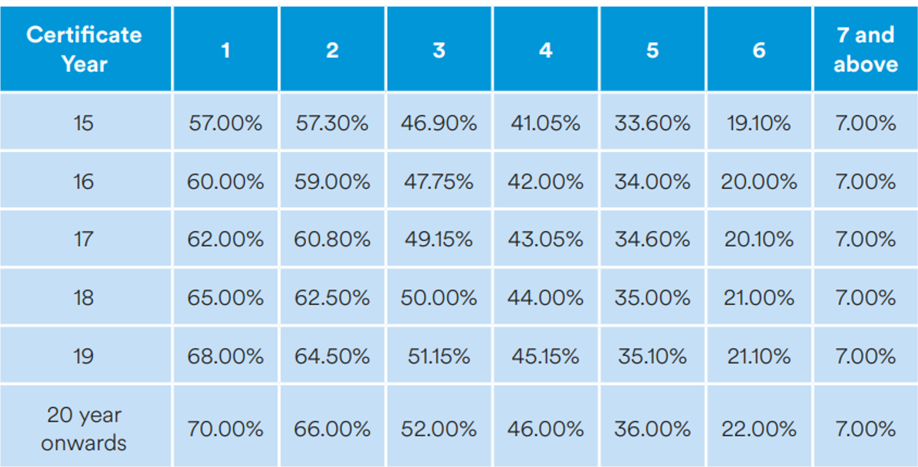 (1-Wakalah Fee) is allocated into the participant account. Wakalah Fee Structure: | N/A | 100% allocation | N/A | N/A | No info
Death | SA + AV | Higher of: basic sum assured, total premium paid, guaranteed surrender value. On non-accidental cause, only following % of benefit is payable Y1: 10% Y2: 20% Y3: 40% Y4: 60% Y5: 80% Note: TPD benefit terminated on 70th birthday and subject to the combined limit of 8m under all the insurance policies covering TPD under the same Life Assured | SA | SA | Max (SA, AV1) + AV2 | Non-accidental: Y1 - Y3: Total contribution paid Y4+: Max (SA, AV) Accidental: Y1+: Max (SA, AV) | Person covered: RM25k/RM50k/RM100k Certificate owner: RM25k/RM50k/RM100k | Max(SA + Protection booster, Account Value) - any indebtedness + RM10k compassionate benefit | SA + RM1k compassionate benefit | Y1-2: All premiums paid without interest Y3+: SA | No info
TPD | SA |  | SA | SA | Sum At Risk (BSA - AV1) | Non-accidental: Y1 - Y3: Total contribution paid Y4+: Max (SA, AV) Accidental: Y1+: Max (SA, AV) *TPD coverage ends when reaches age 70y | Person covered: Nil Certificate owner: RM25k/RM50k/RM100k | Max(SA + Protection booster, Account Value) - any indebtedness | N/A | N/A | No info
ADB | Nil | ADB - additional 100% of BSA ADB on public conveyance - additional 200% of BSA ADB in overseas - additional 300% of BSA Note: ADB terminated on 70th birthday and subject to the combined limit of 3m | Nil | ADB - additional 100% of BSA ADB on public conveyance - additional 200% of BSA ADB in overseas - additional 300% of BSA Note: ADB terminated on 70th birthday or expiry of certificate, whichever is earlier. | Optional (See Optional Benefits) | ADB - additional 100% of BSA ADB on public conveyance - additional 200% of BSA *Only claimable if happens before age 70y | Person covered: Nil Certificate owner: RM37.5k/RM75k/RM150k | ADB: Additional 200% ADB outside MY: Additional 300% | Additional 200% of SA | Depends on Age at death: 50y-64y: Additional 300% of SA 65y-80y: Additional 150% of SA 81y+: Additional 0% of SA | No info
ATPD | Nil | Nil | Nil | Nil | Optional (See Optional Benefits) | Nil | Person covered: Nil Certificate owner: RM37.5k/RM75k/RM150k | ATPD: Additional 200% ATPD outside MY: Additional 300% | N/A | N/A | No info
Maturity | SA + AV | 200% total premium paid | Nil | Nil | AV1 | AV1 | Nil | Max(SA + Protection booster, Account Value) - any indebtedness | No info | SA | No info
Funeral Expense | Basic SA > RM100k : additional RM5k payable No funeral expense otherwise | Nil | Nil | Nil | Nil | RM3k *Not applicable if death due to non-accidental happens prior to 4th certificate year | RM10k upon death of person covered | RM10k compassionate benefit | RM1k compassionate benefit | N/A | No info
Additional benefits | No Lapse Guarantee for first 5 policy years Gift of love (once per life) Upon any one Life Celebration Events (e.g. new car, conceiving, graduation, new house), can redeem RM1,500 to purchase new Investment-Linked policy with minimum RM1,800 annual premium. Alternatively, those with ANB < 25 can redeem RM500 cash Auto extension option Policy continue to cover until age 99 upon original policy expiry. | - | Nil | Nil | EduAchieve Bonus Receive cash bonus upon excellent academic achievement in the SPM examination up to Master’s or PhD level. EduAchieve Bonus is only for those who participate in the plan between age 1 and 18. Auto extension option Policy continue to cover until age 100 upon original policy expiry. | N/A | Waiver of contribution upon death/TPD Person covered: Nil Certificate owner: Applicable Lump sum benefit upon person covered attaining age 18 (subject to the certificate being in-force for at least 60 months) Plan 1/2/3: RM2.5k/RM5k/RM10k | Protection booster: 5% of BSC every 5 contract years, up to 20% Loyalty bonus: 0.1% of the Min (Initial SA, Current SA) will be allocated into the IA1 at the end of every 2 contract years starting from the end of the 6th contract year. This benefit will be payable from the operator’s fund based on hibah (gift) and will be subject to the Operator’s discretion. Auto extension option | N/A | Emergency Care - For death occurring Y3+, 10% of the entitled death benefit will be payable as an emergency cash to the beneficiary supported by minimal documentation. The remaining sum will be payable upon receiving the complete documentation. | Milestone Celebration Benefit - Can increase the 20% BSA (capped at RM100k) without underwriting when you celebrate life milestones, starting from the 3rd policy year onwards: a. Graduation (tertiary and above or any equivalent); b. Marriage; c. Purchase of a new house; or d. Birth of a newborn Loyalty bonus credited to your account automatically every 3 years from the 7th policy year onwards No lapse guarantee - Policy will remain in force and will not lapse for the first 6 policy years provided that no partial withdrawals are made and timely payments are made with no premium holidays. Free Switching Fees
Optional Benefits | Health & hospitalization benefits, accidental protection, critical illness protection riders | Attachable rider CriticalEase (see CI tab) | N/A | N/A | Early to late stage CI, medical, accidental, CI income protection, term life, waiver riders, savings rider, donation rider. | Waqaf/Charitable Services In the event of your death, a portion amount from Death Benefit as previously agreed by you, will be channelled to a waqaf or charity body as approved by our Shariah Committee. This is an optional service and you will need to fill in the Waqaf Services Form. | Nil | WOP riders | N/A | Breakeven years (based on premium table): Male 50y-55y: 12.66y, 13.95y, 14.36y, 14.53y, 14.72y Male 56y-60y: 9.45y, 10.34y, 10.43y, 10.64y, 10.79y Male 61y-65y: 8.31y, 8.80y, 8.96y, 9.03y, 9.09y Male 66y-70y: 6.18y, 6.52y, 6.61y, 6.66y, 6.69y Female 50y-55y: 16.18y, 18.23y, 18.97y, 19.37y, 19.62y Female 56y-60y: 13.12y, 14.57y, 14.93y, 15.33y, 15.48y Female 61y-65y: 11.06y, 11.93y, 12.20y, 12.42y, 12.45y Female 66y-70y: 8.00y, 8.64y, 6.46y, 8.90y, 8.95y | Various CI riders, medical, accidental, gender specific rider, WOP riders
Optional Benefits | - | - | - | - | - | - | - | - | - |  | -

High Protection
Product Name | A-Life Wealth Prestige | Sun Apex-i | i.Am Wealth Creator
Conventional/Takaful | Conventional | Takaful | Conventional
General/Life | Life | Life | Life
Insurance Company | AIA | Sun Life | AmMetLife
Channel | Non-online | Banca - CIMB | Banca - AmBank
Chassis | ILP | UL | ILP
Age Basis | Attained age | Last birthday | Next birthday
Entry Age (years) | Depends on policy term: if policy up to age 70/80/100, entry age is 14d to 55/65/70y | Min 18y for contract holder 30d to 60y/70y for individual person covered 18y to 60y/70y for group person covered | 30d to 60y
Premium | No info | No info | No info
Policy Term | 3 options: up to age 70/80/100 | 2 options: up to 80y/99y | Depend on entry age: i. Entry Age 30d to 50y: Up to 70y/80y/100y or 20 years ii. Entry Age 51y to 60y: Up to 80y or 20 years
Payment Term | 4 options: 5y, 10y, 20y, or full pay | 3 options: 3y/6y/10y | 3 options: 5y/10y/20y
Payment Frequency | No info | 4 options: monthly, quarterly, half-yearly, yearly | No info
Underwriting | SIO, under conditions that: i. BSA < RM10 million, ii. Aged 16- 50y, iii. No pre-existing medical conditions. Full UW otherwise | SIO up to RM5 million if aged 18-50y, Full UW otherwise | SIO up to RM4 million. Full UW otherwise
Sum Assured | Minimum BSA depends on currency of plan: RM: RM2m, USD:USD500k, SGD:SGD 500k; no other info | Min RM1 million, no max limit subject to UW | Min RM500k, Max Limit depend on Entry Age: i. Entry Age 30d to 15y: RM2mil ii. Entry Age 16y to 60y: RM8mil
Fund allocation | Depend on premium payment term of policy. A-Plus Saver Premium and Top-up Premium have an allocation rate of 95%. No other info | Depend on premium payment term of policy. 5% Wakalah fee, 95% into universal account | 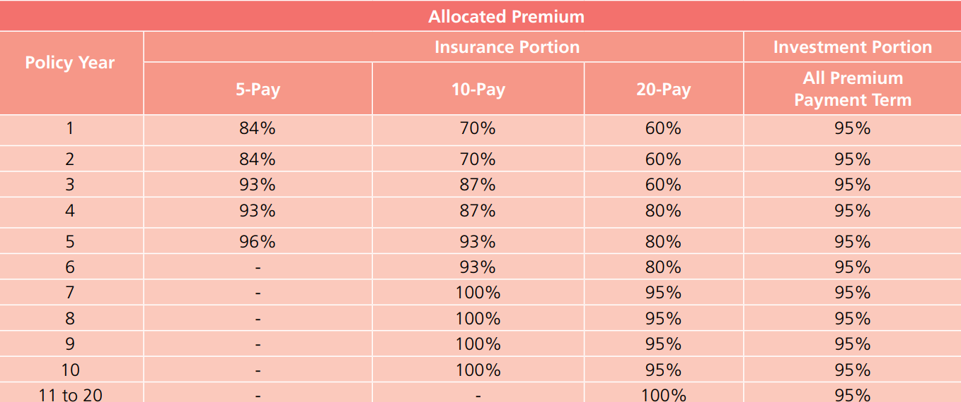 Depend on premium payment term:
Fees and Charges
Administration Charge | RM8/ month | Nil | RM10/month
Partial Withdrawal Charge |  | No charge, but upon partial withdrawal from the Universal Account, the basic sum covered will be reduced proportionately by the percentage (%) of the withdrawal amount against the universal account. | Only allowed from policy year 2 Y2-5: 5% Y6+: 0%
Surrender Charge |  | No info | Y1: 30% Y2: 15% Y3: 10% Y4: 8% Y5: 7% Y6+: 0%
Insurance Charges | Varies by attained age and gender. The insurance charge will increase as you grow older. | Nil | Varies by insurance coverage, attained age, gender and smoking status. The insurance charge will increase as you grow older.
Switching Fee | Nil | Nil | RM50 per switch (from the 3rd request onwards within the same policy year)
Fund Management Fee | 1.0% - 1.5% Note: Depends on fund; Can refer to AIA Fund Fact Sheet | Nil | Max 1.5% p.a. of Net Asset Value (NAV) (Except for Bond Fund and Tactical Bond Fund in which the max is 1.0% p.a. of NAV)
Benefits
Death | Max (SA, AV). If account in foreign currency, converted to RM based on selected country’s Prevailing Currency Exchange Rate at the time of claim | Max (SA, AV) | Max (SA, AV)
TPD | Nil | Additional 100% of BSA | No info
ADB | Nil | Additional 100% of BSA | Additional of: i. 100% of BSA (All Causes); or ii. 200% of BSA (Public Conveyance); or iii. 300% of BSA (Overseas)
ATPD | Nil | Additional 100% of BSA | Nil
Maturity | Wealth booster, depending on policy term: *If expiry age 100 was selected, Wealth Booster will also be payable upon death after age 80 | 100% AV | 100% AV + Additional 30% Non-Guaranteed Protection AV
Additional Benefits | Foreign currency indexed coverage - USD, SGD, or RM. If you choose the foreign currency of USD/SGD, the Basic Sum Assured will be payable in an equivalent amount in RM Wealth Rewards at the end of the 20th policy anniversary and every 10 years after that, provided policy active and premium up-to-date | Nil | Wealth Maximiser Gain additional units equivalent to 0.8% of BSA that will be added to Top-Up Account, provided that premiums are paid up-to-date. This benefit will be payable starting from the end of Policy Year 10 or 20 (depending on premium payment term) and every 5 Policy Years subsequently, up to a max of 5 additional times. Protection Maximiser Additional 5% of BSA will be added to the policy at the beginning of the 4th Policy Year and every 3 Policy Years subsequently, up to a max of 5 additional times, payable when pass away. No Lapse Guarantee Your policy will not lapse within the first six (6) policy years or during the premium payment term, whichever is earlier, from the effective date if the Account Value is less than or equal to zero (0) on the due date of the monthly policy fee and insurance charge provided that: i. All premiums of the policy due have been paid on each premium due date or within the grace period of thirty (30) days from the premium due date; and ii. No partial withdrawal from the Protection Account is performed.
Optional Benefits | 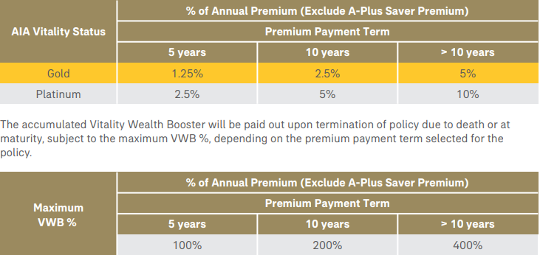 Optional Riders: • A-Plus DisabilityExtra • A-Plus Accidental Death • A-Plus Spouse Waiver Extra • A-Plus Waiver • A-Plus Parent Waiver Vitality Wealth Booster (VWB) for AIA Vitality Members, which is rewarded and accumulated based on the Insured’s AIA Vitality Status as at 45 days before the policy anniversary, depending on the premium payment term selected for the policy. provided policy active and premium up-to-date | Optional Riders: - Level Term Takaful Rider 100% rider's SA for death/TPD - Reducing Term Takaful Rider Reducing rider's SA for death/TPD | Nil

Investment
Product Name | FlexiPro Insurance | i.Am Wealth Builder | Signature Heirloom Indexed Universal Life | EliteLife Signature Treasure
Conventional/Takaful | Conventional | Conventional | Conventional | Conventional
General/Life | Life | Life | Life | Life
Insurance Company | Etiqa | AmMetLife | Manulife | Manulife
Channel | Non-online | Agency | Agency | Banca - Alliance
Chassis | ILP | ILP | UL | ILP
Age Basis | No info | Age next birthday | No info | No info
Entry Age (years) | 14 days to 70 years | 30d - 70y | No info | 14d - 70y
Premium/Contribution | No info | minimum RM25k annual premium (non campaign period) Campaign: From 15 April 2024 till 31 July 2024, you can purchase i.Am Wealth Builder from RM15,000 per annum. Terms and conditions apply. | No info | Minimum RM35k per year
Policy Term | No info | up to age 85 | Whole life death coverage. Terminal illness coverage up to 99y. | Up to 99y. TPD coverage up to 70y.
Payment Term | No info | 3y | Premiums can be paid of any amount at any time before 100y, within the max limit. | 3y
Payment Frequency | No info | Monthly, quarterly, half-yearly or yearly | Premiums can be paid of any amount at any time before 100y, within the max limit. | Monthly, quarterly, half-yearly or yearly
Underwriting | Guaranteed Approval for applications with premiums of up to RM2 mil. No medical examination required. | No info | No info | SIO up to RM2 million.
Sum Assured | No info | No info | No info | No info
Top-up premium | No info | No info | No info | No info
Fund allocation | 95% | Annual Premium: 20% to insurance portion while 80% to investment portion. i. The premium allocation for insurance portion is 90%. The balance is unallocated premium ii. Allocated premium for investment portion is 100%. You may increase your investment from policy year 2 onwards, provided there is no outstanding premium in the policy with a minimum of RM500. The allocation rate of this single top-up premium is 95%. | Flexible to allocate into either i. Fixed Account - offers a min guaranteed crediting rate of 2% p.a. Ii. Index Account - potential higher returns with S&P500 with a 115% Performance Multiplier, and a guaranteed loyalty bonus of 0.35% p.a. from Policy Year 11 onwards | Basic Premium - 100% will be allocated into the Insurance Premium Account (IPA) according to chosen funds Top-up Premium - 95% will be allocated into the Top-Up Premium Account (TUPA) according to chosen funds Total AV = IPA + TUPA
Fees and Charges
Administration Charge | No info | 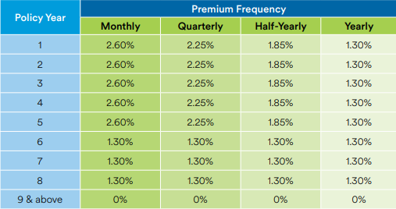 An administration charge will be deducted based on a percentage of the Protection Account Value according to the frequency of premium payments as stated in the table below, on a monthly basis beginning from the policy date, from Protection Account Value. | No info | Varies by payment frequency: Monthly: RM6.00 Others: RM5.00
Partial Withdrawal Charge | No info | Partial withdrawal not allowed Y1. Y2 - Y5: 5% of withdrawal amount from protection account Y6 onwards: no charge | No info | 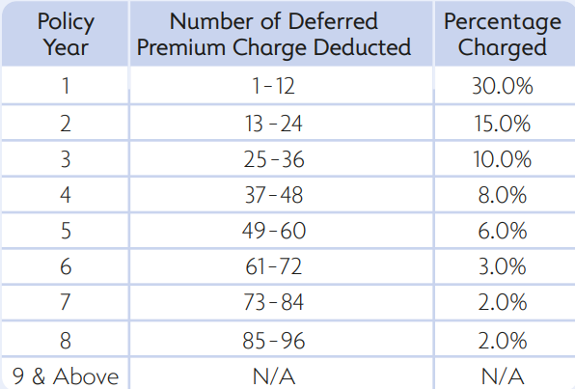 Deducted from IPA based on the % of amount withdrawn from IPA.
Surrender Charge | No info | (% of surrender value from Protection Account): Y1: 30 Y2: 15 Y3: 10 Y4: 8 Y5: 7 Y6 onwards: no charge | No info | Deducted based on % of IPA AV.
Insurance Charges | No info | Varies by attained age and gender. The insurance charge will increase as you grow older. | No info | Varies
Switching Fee | Nil | Nil | Nil | Waived
Fund Management Fee | No info | Bond Fund and Tactical Bond Fund - up to 1.0% p.a. of NAV of the respective funds. Other funds - up to 1.5% p.a. of NAV of the respective funds. | No info | 0.75% - 1.50%
Commission | No info | No info | No info | 3.75% of insurance premiums
Benefits
Death | Cash payout; no other info | Higher of Basic Sum Assured (BSA) or Protection Account Value; and Top-Up Account Value | Max (SA, Total AV) | Max (200% of Insurance Premium, Total AV)
TPD | Cash payout; no other info | Higher of Basic Sum Assured (BSA) or Protection Account Value; and Top-Up Account Value, subject to the combined limit of RM8,000,000 (for Life Assured age 16 to 64) or RM2,000,000 (for Life Assured below age 16 or age 65 to 79) | Nil | Max (200% of Insurance Premium, Total AV)
Accidental Death Benefit | Nil | 100% BSA, subject to the combined limit of RM8,000,000 under all the insurance policies providing accidental death benefit under the same Life Assured Note: ADB terminated on age 70 | Nil | Additional of: i. 100% of ADB Face Amount (All causes) ii. 200% of ADB Face Amount (Public Conveyance) *ADB Face Amount = 200%*Annualised Insurance Premium*3
Maturity | No info | Total account value | Nil | Total AV + 10% IPA Value
Additional Benefits | Nil | Loyalty bonus at the end of every 5y (% of protection account value): Y5&10 - 0.5% Y15&20 - 1.0% Y25&30 - 1.5% Y35&40 - 2.0% Y45&50 - 2.5% Y55 onwards - 3.0% provided that no premium holiday performed, premiums paid up to date, policy still in force No lapse guarantee for first 3y provided all premium due have been paid and no partial withdrawal from Protection Account is performed | Quit Smoking Incentive - Applicable to standard or preferred smoker, without any additional ratings. This quit smoking incentive allows you to benet from standard non-smoker Policy Charges for the rst three Policy Years. If, by the end of Policy Year 3, you provide us with satisfactory medical evidence that you have quit smoking for at least 12 consecutive months and the test result for urine cotinine is negative, we will reclassify your policy and use the standard non-smoker rates from then on. | Loyalty Bonus of 2.0% of total AV every 5y starting from policy yaer 10. Auto Fund Rebalancing - Investment portfolio will be rebalanced every quarter to ensure that the portfolio mix you have chosen remains consistent.
Optional Benefits | Nil | Nil | Nil | Nil

Savings
Product Name | MaxiW3alth | i.AmWealth Achiever | Takaful mySmart Wealth Plus | FWD Guaranteed Income Booster | Manulife Future Shield
Conventional/Takaful | Conventional | Conventional | Takaful | Conventional | Conventional
General/Life | Life | Life | Life | Life | Life
Insurance Company | Etiqa | Ammetlife | Syarikat Takaful | FWD | Manulife
Channel | Non-online | Agency | Banca - Bank Islam | Agency | Non-online
Chassis | Non-par | Non-par | No info | Premium-paying rider | Non-par
Age Basis | No info | Age next birthday | No info | No info | No info
Entry Age | 14 days - 55 y | 30d - 60y | No info | 14d - 65y | 19y - 55y
Premium | No info | premium is guaranteed and fixed throughout the premium payment term; no other info | No info | No info
Policy Term | Up to age 80 or 100 | 20y TPD and ADB coverage is up to Life Assured’s age 70 (next birthday) or on Maturity/Expiry date | 15y | Follows basic policy term | Up to 99y
Payment Term | 5, 10, or 20y | 5y | 3, 5y | Follows basic payment term | 5y
Underwriting | No info | Guaranteed Acceptance with the coverage up to RM180k per policy and RM500k per individual, without any medical and financial underwriting | No info | No info | GIO
Sum Assured | No info | 25k - 180k for guaranteed acceptance; >180k subject to underwriting | No info | Min: 30k
Death | Have payouts; no further info | Policy Y1-Y2: Refund of Total Premium Paid Y3-Y20: higher of i. 100% of BSA; or ii. Refund of Total Premium Paid less any Loyalty Rewards paid Combined limit of 2m if age <16 on death | Have payouts; no further info | Max (105% of total rider premium - GCP, Rider Cash Value) | Policy Y1-Y2: Total Premium Paid (TPP) <70y: 105% of TPP >=70y: BSA
TPD | Have payouts; no further info | Policy Y1-Y2: Refund of Total Premium Paid Y3-Y20: higher of i. 100% of BSA; or ii. Refund of Total Premium Paid less any Loyalty Rewards paid Combined limit of 2m if age <16 on death, otherwise 8m | Have payouts; no further info | Max (105% of total rider premium - GCP, Rider Cash Value) | Policy Y1-Y2: Total Premium Paid (TPP) <70y: 105% of TPP >=70y: N/A
Accidental Death Benefit | Nil | Additional of: i. 100% of BSA (All Causes); or ii. 200% of BSA (Public Conveyance); or iii. 300% of BSA (Overseas) | Additional of: i. 100% of BSA (All Causes); or ii. 200% of BSA (Overseas) | Nil | Policy Y1-Y2: Face Amount <70y: Face Amount >=70y: N/A Entry Age | Face Amount 19 - 29 | 500% of TPP 30 - 39 | 300% of TPP 40 - 49 | 250% of TPP 50 - 55 | 200% of TPP
Maturity | 10% of guaranteed cash payout + 100% of SA | 688% of basic sum assured | No info | 100% of rider SA | Face Amount
Total Distribution Cost | No info | Total distribution cost is borne by you and paid from your premium for the policy are as follow: Policy Year - Proportion of Premium Deduction for Total Distribution Cost (%) 1 - 8.75 % 2 - 6.25 % 3 - 5.00 % 4 - 2.50 % 5 - 2.50 % | No info | No info | No info
Surrender Benefit | No info | No info | No info | Rider Cash Value | No info
Premium Holiday
Additional Benefits | Guaranteed approval for applications with SA <= RM500k. Guaranteed annual cash payouts of up to 10% of the insured amount until maturity. Retirement Celebration Benefit A lump sum cash payout of 50% of the insured amount will be paid after the age 60. | Loyalty rewards every 5 policy years until the end of 15th policy year: End of policy year 5/10/15 - 8%/18%/28% of BSA Booster Fund May opt to receive the benefit or accumulate with AmMetLife with interest (Booster Fund). Benchmark yield - Amount per RM1k BSA: <=2.00% - RM 0 2.50% - RM 3 3.00% - RM 6 3.50% - RM 9 4.00% - RM 12 4.50% - RM 15 5.00% - RM 18 5.50% - RM 21 >=6.00% - RM 24 | Compassionate Allowance: Have payouts; no further info Guaranteed Annual Cash Payments: Have payouts; no further info | Guaranteed Cash Payments (GCP) While the Life Assured is still alive and the rider remains in force, 2.5% of rider Sum Assured will be payable starting at the end of every rider year from inception until rider matures or terminates, whichever is earlier. | 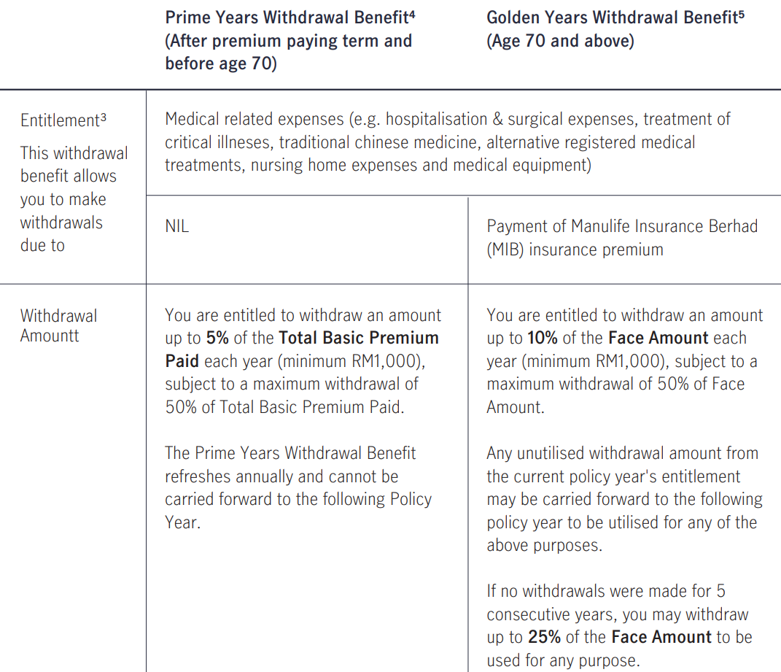 Withdrawal Benefits:
Additional Benefits | Nil | Nil | Nil | Nil | Senior Care Benefit Policy Y1-Y2: N/A <70y: N/A >=70y: Face Amount
Optional Benefits | Nil | Nil | Nil | Nil | Nil

CI
Product Name | Complete Cancer Care | CriticalEase | PruBSN Cegah | PruBSN Cegah Famili | i-Great Yaqeen | PB Critical Shield
Conventional/Takaful | Conventional | Conventional | Takaful | Takaful | Takaful | Conventional
General/Life | Life | Life | Life | Life | Life | Life
Insurance Company | Income SG | AmMetLife | Prudential | Prudential | Great Eastern | AIA
Channel | Online | Agency | Online via EPF | Online via EPF | Non-online | Banca - Public Bank
Chassis | Non-par standalone CI plan | Premium-paying rider | Family Takaful with participant account | Family Takaful with participant account | Non-par | Non-par
Age Basis | No info | No info | Next birthday | Next birthday | Next birthday | Attained age
Entry Age (years) | No info | 17 to 60/70y depending on 20-pay/full-pay payment term | 19y - 60y | Self: 19y - 65y Spouse: 19y - 65y Child: 14days - 65y | 14d - 60y | Based on premium payment term: 6y: 18y-60y 10y: 18y-55y
Expiry Age | 10 years, guaranteed renewal up to age of 84 | up to age 80 | No info | Up to age 75 | 80 | 80y
Premium | Step-up | Level but not guaranteed | One-time payment from RM8.40/year. The contribution payable is subject to the Covered Member’s entry age, gender, smoker status and sum covered chosen. | Non-level contribution and will change according to the age next birthday of Covered Member on each certificate anniversary. The contribution payable is subject to the Covered Member’s attained age next birthday at each certificate anniversary, smoking status, gender and sum covered chosen. | Level premium based on entry age | Level premium based on entry age
Upfront Charge | N/A | N/A | N/A | N/A | 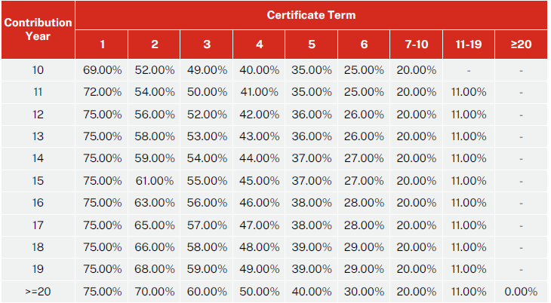 Based on contribution: | N/A
Policy Term | 10 years, guaranteed renewal up to age of 84 | Up to age 80 | 1 year | Yearly renewable, up to age 75 | Yearly renewable, up to age 80 | 30y
Payment Term | Full Pay | 20y or full pay up to age 80; can be different from basic policy (ProtectEase) | Full pay | Full pay | Full pay | 6y/10y
Underwriting | Full UW | GIO | SIO | SIO | Full UW | NML up to RM500k
Sum Assured | 50k - 250k SGD | Minimum Sum Assured is RM25k and maximum Sum Assured is RM150k or Basic Sum Assured of basic policy, whichever is lower, subject to the maximum Sum Assured allowable per Life Assured | CI Benefit - RM10k - RM200k (in multiple of RM5k) Dengue Fever Benefit - RM500 payable once per Covered Member | RM10k - RM200k (in multiple of RM5k) | No info | RM50k - RM500k
CI Waiting Period | No info | No info | No info | No info | 50 Critical Illnesses (1 year after the next birthday and onwards) 30-Day Waiting Period: Subject to 45 types of illnesses 60-Day Waiting Period: Subject to 5 types of illnesses 11 Critical Childhood Illnesses (1 – 18 years after the next birthday) 30-Day Waiting Period: Subject to 11 types of illnesses | No info
Critical Illness Benefit | No info | No info | 100% of SA, 43 CI | 100% of SA, 43 CI | Age >= 19: Max(SA, PIA) Age <= 18: 50% of Max(SA, PIA), balance payable when covered events occur when person covered age >=19 For Angioplasty and Other Invasive Treatments for Coronary Artery Disease: Capped at 10% of SA will be payable, subject to a maximum of RM25,000 per Person Covered. The balance shall be payable upon occurrence of other Covered Events. | Based on year of occurred event: Y1: 50% of BSA Y2: 60% of BSA Y3: 70% of BSA Y4: 80% of BSA Y5+: 100% of BSA
Death | Y1 - 100% of TPP Y2 and onwards (before age 60): 5k SGD Y2 and onwards (after age 60): 10k SGD | Nil | Nil | SA | PIA | Based on year of occurred event: Y1: 50% of BSA Y2: 60% of BSA Y3: 70% of BSA Y4: 80% of BSA Y5+: 100% of BSA
Maturity | No info | No info | Nil | No info | PIA | 100% of Total Premiums Paid
ADB | 100% SA | Nil | Nil | Nil | Nil | Additional 100% of BSA
WOP | Waive till the EOP | No info | Nil | Nil | Nil | Nil
Reduced cover | Nil | 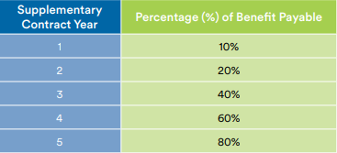 In the event of diagnosis of a critical illness prior to supplementary contract year six (6), the amount payable under this rider shall be in accordance with the following table: | Nil | Payment of CI Benefit will reduce Death Benefit. Death Benefit - 100% of the Sum Covered payable in the unfortunate event of your or any of your covered dependant(s) passing. | N/A | N/A
Additional Benefits | Guaranteed post-cancer cover option a. If the insured is diagnosed with advanced stage major cancer, he or she may choose to take up a new term policy with only death, terminal illness and total and permanent disability (TPD) benefits on his or her own life, without underwriting from Income. b. 2 years waiting period. If claim during the first 2 years of waiting period, refund 100% of premiums paid. c. Limit the SA for the new term policy to Max (100% SA, 200k SGD per life). d. Insured must be less than 60 years old at the time of taking up this option. e. The insured must not have TPD, terminal illness or be diagnosed with an advanced stage dread disease other than major cancer, at the time of taking up this option. f. The insured must take up this option within six months from the date of claim admittance of the advanced stage major cancer benefit. | Guaranteed acceptance Note: The Critical Illness Benefit is subject to the combined limit of RM4,000,000 under all the insurance policies covering critical illness on the same Life Assured. | Nil | Nil | Additional Essential Care Benefit of RM10,000 (up to RM20,000) in the event of hospitalisation of the Person Covered in the ICU for a minimum of 5 consecutive days This benefit is claimable up to 2 times per lifetime and SA will not be accelerated, subject to the following conditions: a. The subsequent Essential Care Benefit claim event date must be at least 12 months from the first Essential Care Benefit claim event date. b. The subsequent claim must be resulted from a different event from the first Essential Care Benefit claim. | Vitality Yearly Wealth Bonus (VYWB) - When the Insured becomes an active AIA Vitality member, the Insured can enjoy an additional benefit called the VYWB. As a reward for staying healthy, a VYWB4 will be payable on every policy anniversary depending on the Insured’s AIA Vitality Status: Bronze/Silver: Nil Gold: 1.5% Platinum: 3.0%
Additional Benefits | Cancer hospice care benefit 10% SA upon diagnosed with terminal cancer if: a. Insured is admitted to an inpatient palliative care facility; or b. home palliative or day palliative care services. | Nil | Nil | Nil | Nil
Child Critical Illness List
Age Applicable | N/A | N/A | N/A | N/A | 1y - 18y | N/A
Adolescent Morbid Obesity | N/A | N/A | N/A | N/A | ✔ | N/A
Aplastic Anaemia | N/A | N/A | N/A | N/A | ✔ | N/A
Asthma | N/A | N/A | N/A | N/A | ✔ | N/A
Cholangitis | N/A | N/A | N/A | N/A | ✔ | N/A
Epilepsy | N/A | N/A | N/A | N/A | ✔ | N/A
Intellectual Impairment due to Illnesses or Accident | N/A | N/A | N/A | N/A | ✔ | N/A
Juvenile Rheumatoid Arthritis | N/A | N/A | N/A | N/A | ✔ | N/A
Kawasaki | N/A | N/A | N/A | N/A | ✔ | N/A
Nephrotic Syndrome | N/A | N/A | N/A | N/A | ✔ | N/A
Type 1 Diabetes | N/A | N/A | N/A | N/A | ✔ | N/A
Critical Illness List
Alzheimer’s Disease/Severe Dementia |  | ✔ | No Info | No Info | ✔ | ✔
Appallic Syndrome |  |  | No Info | No info | ✔ | N/A
Angioplasty and Other Invasive Treatments for Coronary Artery Disease |  |  | No Info | No info | ✔ | N/A
Bacterial Meningitis |  | ✔ | No Info | No info | ✔ | N/A
Benign Brain Tumor |  | ✔ | No Info | No info | ✔ | N/A
Blindness |  | ✔ | No Info | No info | ✔ | N/A
Brain Surgery |  | ✔ | No Info | No info | ✔ | N/A
Cancer | ✔ | ✔ | No Info | No info | ✔ | ✔
Cardiomyopathy |  | ✔ | No Info | No info | ✔ | N/A
Chronic Aplastic Anemia |  | ✔ | No Info | No info | ✔ | N/A
Chronic Relapsing Pancreatitis |  |  | No Info | No info | ✔ | N/A
Coma |  | ✔ | No Info | No info | ✔ | N/A
Coronary Artery By-Pass Surgery |  | ✔ | No Info | No info | ✔ | N/A
Creutzfeldt-Jakob Disease (CJD) (Mad Cow Disease) |  |  | No Info | No info | ✔ | N/A
Deafness |  | ✔ | No Info | No info | ✔ | N/A
Ebola Haemorrhagic Fever |  |  |  |  | ✔ | N/A
Elephantiasis |  |  | No Info | No info | ✔ | N/A
Encephalitis |  | ✔ | No Info | No info | ✔ | N/A
End-Stage Liver Failure |  | ✔ | No Info | No info | ✔ | N/A
End-Stage Lung Disease |  | ✔ | No Info | No Info | ✔ | N/A
Full-blown AIDS |  | ✔ | No Info | No Info | ✔ | N/A
Fulminant Viral Hepatitis |  | ✔ | No Info | No Info | ✔ | N/A
Heart Attack |  | ✔ | No Info | No Info | ✔ | ✔
Heart Valve Surgery |  | ✔ | No Info | No Info | ✔ | N/A
HIV Infection Due to Blood Transfusion |  | ✔ | No Info | No Info | ✔ | N/A
Kidney Failure |  | ✔ | No Info | No Info | ✔ | N/A
Loss of Independent Existence |  | ✔ | No Info | No Info | ✔ | N/A
Loss of Speech |  | ✔ | No Info | No Info | ✔ | N/A
Major Head Trauma |  | ✔ | No Info | No Info | ✔ | N/A
Major Organ/Bone Marrow Transplant |  | ✔ | No Info | No Info | ✔ | N/A
Medullary Cystic Disease |  | ✔ | No Info | No Info | ✔ | N/A
Meningeal Tuberculosis |  |  | No Info | No Info | ✔ | N/A
Motor Neuron Disease |  | ✔ | No Info | No Info | ✔ | N/A
Multiple Sclerosis |  | ✔ | No Info | No Info | ✔ | N/A
Muscular Dystrophy |  | ✔ | No Info | No Info | ✔ | N/A
Occupationally Acquired Human Immunodeficiency Virus (HIV) Infection |  | ✔ | No Info | No Info | ✔ | N/A
Paralysis of Limbs |  | ✔ | No Info | No Info | ✔ | N/A
Parkinson’s Disease |  | ✔ | No Info | No Info | ✔ | ✔
Poliomyelitis |  |  | No Info | No Info | ✔ | N/A
Primary Pulmonary Arterial Hypertension |  | ✔ | No Info | No Info | ✔ | N/A
Progressive Scleroderma |  |  | No Info | No Info | ✔ | N/A
Rabies |  |  | No Info | No Info | ✔ | N/A
Severe Eisenmenger’s Syndrome |  |  | No Info | No Info | ✔ | N/A
Severe Haemophilia |  |  | No Info | No Info | ✔ | N/A
Serious Coronary Artery Disease |  | ✔ | No Info | No Info | ✔ | N/A
Stroke |  | ✔ | No Info | No Info | ✔ | ✔
Surgery to Aorta |  | ✔ | No Info | No Info | ✔ | N/A
Systemic Lupus Erythematosus With Severe Kidney Complications |  | ✔ | No Info | No Info | ✔ | N/A
Terminal Illness |  | ✔ | No Info | No Info | ✔ | N/A
Third Degree Burns |  | ✔ | No Info | No Info | ✔ | N/A
Cancer-specific:
Early Stage/Intermediate Stage/Advanced | 100% SA | N/A | No Info | No Info | N/A | N/A
Monthly cancer therapy | a. 1% of SA, for maximum of 24 monthly payouts. b. Maximum amount for this benefit is 60k SGD per life. c. Cancer treatment means: i. Cell, tissue or gene therapy ii. Chemotherapy iii. Hormonal therapy iv. Immunotherapy v. Radiotherapy e. Targeted therapy | N/A | No Info | No Info | N/A | N/A
Early
Carcinoma-in-situ | ✔ | N/A | No Info | No Info | N/A | N/A
Early prostate cancer | ✔ | N/A | No Info | No Info | N/A | N/A
Early thyroid cancer | ✔ | N/A | No Info | No Info | N/A | N/A
Early bladder cancer | ✔ | N/A | No Info | No Info | N/A | N/A
Early chronic lymphocytic leukemia | ✔ | N/A | No Info | No Info | N/A | N/A
Neuroendocrine Tumours | ✔ | N/A | No Info | No Info | N/A | N/A
Early Melanoma | ✔ | N/A | No Info | No Info | N/A | N/A
Gastro-Intestinal Stromal tumours | ✔ | N/A | No Info | No Info | N/A | N/A
Bone Marrow Malignancies | ✔ | N/A | No Info | No Info | N/A | N/A
Intermediate
Carcinoma-in-situ of specified organs treated with radical surgery | ✔ | N/A | No Info | No Info | N/A | N/A
Advanced
Major cancer | ✔ | N/A | No Info | No Info | N/A | N/A

